Your GPCT
How to use this sheet: Structure your own Goals, Plan, Challenges, and Timeline using the methodology discussed in the HubSpot Goal- Setting Webinar.
Next, proceed to the "Business Evaluation" tab to assess your current efforts and consider future improvements.

 | Your GPCT | Suggested Structures | Example Statements
Goal: | Write your GOAL here Use the examples to the right as guidance | The goal of our company is to generate $____ monthly revenue by _______(month/year) | The goal of AlternativeMedicineConnection.com is to generate $10,000 monthly revenue by Dec 2012
 |  | The goal of the company is to grow ____% in the next __ months by acquiring _____more customers who generate ____ revenue for the year. | This goal requires us to grow 33% in the next 8 months by acquiring 10 more customers/sponsors who generate $2,500 revenue per year (1 per month)
 |  | Non monetary goals also include ______, _________ & _________ (funding, lead generation, lay people off) | Additional Goals also include moving out of our living room, raising $5,000 in angel funding & establishing a relationship with ASU.
Plan: | Write your PLAN here Use the examples to the right as guidance | In order to achieve our goal, we need to do ______________, ________________ & __________. | In order to achieve these goals we need to improve the results we get from our sales & marketing program, sell higher priced products and retain 90% of our current clients
 |  |  | Our plan includes improving best practices for new customer acquisition, pay more attention to our blog and following up more quickly on customer inquires

Challenges: | Write your CHALLENGES here Use the examples to the right as guidance | Given the plans we have in place to achieve our goals, these are the things that are standing in our way ___________, _______________ & _________________ | Our current challenges center around generating high quality leads that reduces our sales cycle. This is different than 2011 because the change in the market and a new competitor
 |  | This is different than previous efforts because _______ and ______ | This is different than 2011 because the change in the market and a new competitor and limited funding
 |  | What is your one biggest challenge. | Our biggest challenge has been understanding how to start these new initiatives

Timeline: | Write your TIMELINE here Use the examples to the right as guidance | What is the deadline to hit this goal to be considered successful? | We need to start executing on this plan in June in order to be prepared for the August selling season. Back to school is the start of our high season and we want to be in full swing by that time.
 |  | At what point can you tell that you can't make it? | If we are not able to improve our lead flow within the next six months, we will miss our 2012 sales goals

Business Evaluation
Complete the evaluation: Answer the questions below to receive a Marketing & Revenue Assessment. Also, the outputs of these should help you refine your GPCT, too.
Next: Continue to the "Inbound Marketing Goals" tab and see how your website can help achieve your goals faster. You may also want to revise your GPCT on the previous tab with new figures and information from this assessment.

Business Revenue Goal Calculator |  |  | Your Answer
 | What is the approximate revenue for your company last year? |  | $100,000.00
 | What is your monthly revenue goal for your business? |  | $10,000.00
 | How many months from now would you like to achieve this goal? |  | 5
 | How many employees do you have today? |  | 8
 | How many are involved in sales? |  | 3
 | How many are involved in marketing? |  | 1
 | How many are involved in delivering your products/services? |  | 3
 | How much do you currently spend on sales each year (e.g. salaries, bonuses, commission, fees)? |  | $10,000.00
 | How much do you currently spend on marketing each year (e.g. networking events, trade shows, advertising)? |  | $4,000.00

 | Complete the following section if any of your business is based on clients paying you regularly on a recurring basis.
 | How many active clients do you have who provide recurring monthly revenue? |  | 3
 | What is the average amount of revenue you receive from a client in a given month? |  | $100.00
 | How many new clients do you acquire per month who provide recurring revenue? |  | 0.5
 | What is the number of recurring revenue clients you lose per month? |  | 0
 | What is the average contract length in months of recurring revenue clients? |  | 12

 | Complete the following section if any of your business is based on one-time project-based payments from clients.
 | How many new one-time projects do you acquire per month? |  | 3
 | What is the average amount of revenue you receive from a new project? |  | $50.00
 | By what number does the number of projects you do monthly increase each month? (e.g. 10 Jan to 12 Feb = 2) |  | 50

 | New Recurring Revenue/Month: | $50.00
 | Churned Recurring Revenue/Month: | $-
 | Net Recurring Revenue/Month: | $350.00

 | Project Revenue/Month: | $150.00
 | Project Revenue Growth/Month | $2,500.00

 | Current Total Monthly Revenue: | $500.00
 | Total Revenue Growth Rate/Month | 510%
 | Current Monthly Revenue vs. Goal: | $9,500.00

 | Monthly Revenue in 5 months (time to reach goal): | $4,222,981.50
 | Actual Months to Achieve Your Goal: | 2

 | Results: | 2 Months to Achieve Goal - Within Goal Timeline of 5 Months

Online Marketing Questions |  |  | Your Answer
 | Does your website traffic increase in most months? |  | No
 | Do you have an SEO Strategy? |  | No
 | How often do you perform keyword research? |  | Yearly
 | How often do you analyze your websites pages to identify whether they're optimized effectively? |  | Yearly
 | Do you put effort into improving your current inbound links? |  | No
 | Is your company using social media to build brand awareness, engagement and traffic? |  | No
 | Do you monitor social media for mentions of your brand name, important keywords and competitors? |  | No
 | Do you have a blog? |  | No
 | How often do you post blog articles? |  | Monthly

 | Do you grow the number of leads generated by your website each month? |  | No
 | Approximately what percentage of your website visitors convert into a lead? (Typically: 0 - 7%) |  | 3.0%
 | How many offers (e.g. ebooks, whitepapers, webinars) do you have available on your website? |  | 0
 | How many active landing pages do you have on your website? |  | 0
 | How often do you build and launch new call to action buttons to drive traffic to your landing pages? |  | Yearly
 | Do you know where your inbound sales leads come from online (e.g. search vs. partners vs. paid sources)? |  | No

 | Do you convert a larger number of customers from your website leads in most months? |  | No
 | What percentage of your website leads convert into customers? (Typically: 0 - 50%) |  | 25%
 | How often do you send email to your prospects to generate more customers? |  | Quarterly
 | Do you segment your email marketing lists and send different messages to different groups? |  | No
 | Approximately how many email addresses are on your list, in total? |  | 500
 | Do you use automated email marketing (lead nurturing/drip campaigns)? |  | No
 | Have you defined the profile/persona/characteristics of your ideal lead? |  | No
 | Do you have a CRM (e.g. Customer Relationship Management Software like Salesforce.com, Goldmine, Sugar, ACT)? |  | No

 | Do you analyze your results each month so you can continuously improve results? |  | No
 | Do you track your traffic sources? |  | No
 | Do you track which traffic sources convert into leads? |  | No
 | Do you track which leads convert into customers? |  | No
 | Do you track the traffic ultimate source or marketing campaign for each visitor, lead, and sale? |  | No

 | Results: 7 / 100 | Anything less than 90 indicates that inbound marketing may be a good option for you

 | What your grade of 7 means:
 | Your website doesn't appear to be an important driver of your bottom line - yet. Did you know that it could be? And do you want to see how? Continue through the webinar series to see how your website can help you achieve your growth goals in an efficient, modern way. Next, to see how your website could help achieve your revenue goals, head to the "Inbound Marketing Goals" tab and dive on in.
 | grade |  | 7
 | gradetext |  | Your website doesn't appear to be an important driver of your bottom line - yet. Did you know that it could be? And do you want to see how? Continue through the webinar series to see how your website can help you achieve your growth goals in an efficient, modern way. Next, to see how your website could help achieve your revenue goals, head to the "Inbound Marketing Goals" tab and dive on in.
 | gradetext1 |  | Your website is already working hard to drive leads and revenue for you - excellent work! Now, a challenge is to improve the efficiency of your site and business process to more effectively convert those site visits and leads into customers. On our next webinar, we'll provide tips to improving your visit-to-lead rate and your lead-to-customer rate, so we hope to see you there. Next, to see how little changes in your conversion rate can have a big impact, click to the tab "Inbound Marketing Goals". Start adjusting the factors to tweak your site's funnel, and see what could be.
 | gradetext2 |  | You're on your way, and recognize that your website is an important asset and marketing channel to drive leads and revenue. Great! Now, review the questions above that you could improve on, and continue through the webinar series for tips on how to build some of the pieces you're currently missing. Next, go to the "Inbound Marketing Goals" tab to tweak your website's key metrics and see how it could contribute effectively to your revenue goals, were it to be a fully effective tool.
...

Inbound Marketing Goals
How to use this calculator: Read through sections 1-5 (listed on the left-hand side, below) after fully completing the "Evaluation" tab.
Next: After reviewing the orange calculator outputs, tweak the blue input fields to see how inbound marketing couldtransform your business to move you toward your revenue goals. Thousands of businesses reached their goals by implementing inbound marketing and using their website to transform their business.

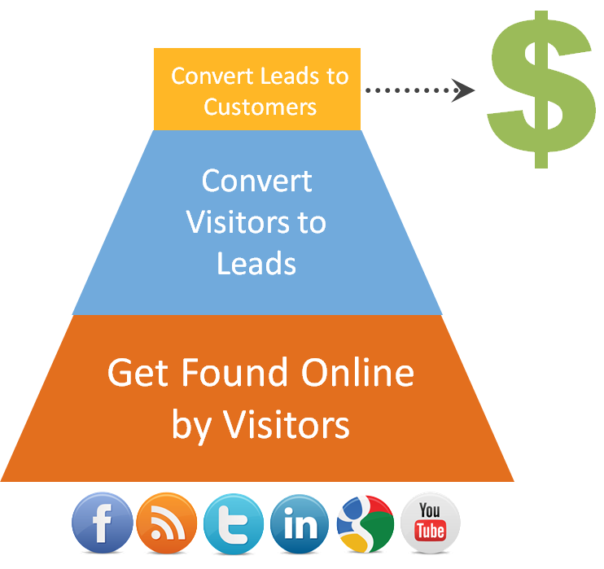
Inbound Marketing Goal Calculator
Data from Evaluation (Gray) |  | Your Inputs (Blue) | Calculator results (Orange) | The shaded boxes below are sourced from a few places. Gray boxes are from the "Evaluation" tab, Orange are the results of this calculator, and Blue are boxes you can adjust to see how improvements in traffic and leads can net you more customers to reach your goals faster.

1 | We'll start with your revenue goal from the "Evaluation" tab.

 |  |  |  | Your Monthly Revenue Goal: | $10,000

2 | Based on projections from the "Evaluation" tab, you need to grow revenue faster to meet your goals.
 | Therefore, you need this % of new business to come from new marketing that you aren't planning for today.
...
 |  |  |  |  |  | $526.32
...
 |  |  |  |  |  | Goal Rate
 |  |  |  |  |  | 40%

 |  |  |  |  |  | 18
...
 |  |  |  |  |  | Goal Rate
 |  |  |  |  |  | 4.0%

 |  |  |  |  |  | 439

